Sheet2
Appendix Table. ICD-10 Codes Used for Assessments of Maternal Deaths*
ICD-10 Code | Description
Pregnancy with abortive outcome (codes: O00-O008)
O00 | Ectopic pregnancy
O00
 | Tubal pregnancy

O00.1
O00.0 | Abdominal pregnancy
O00.2 | Ovarian pregnancy
 | Other ectopic pregnancy
Text Box: O00.8 Other ectopic pregnancy
O00.8
 | Hydatidiform mole

O01
O00.9 | Ectopic pregnancy, unspeciﬁed
O01.0 | Classical hydatidiform mole
 | Incomplete and partial hydatidiform mole
Text Box: O01.1 Incomplete and partial hydatidiform mole
O01.1
 | Other abnormal products of conception

O02
O01.9 | Hydatidiform mole, unspeciﬁed
O02.0 | Blighted ovum and nonhydatidiform mole
 | Missed abortion
Text Box: O02.1 Missed abortion
O02.1
 | Abnormal product of conception, unspeciﬁed

O02.9
O02.8 | Other speciﬁed abnormal products of conception
O03 | Spontaneous abortion
 | Spontaneous abortion, incomplete, complicated by genital tract and pelvic infection
Text Box: O03.0 Spontaneous abortion, incomplete, complicated by genital tract and pelvic infection
O03.0
 | Spontaneous abortion, incomplete, complicated by embolism

O03.2
O03.1 | Spontaneous abortion, incomplete, complicated by delayed or excessive hemorrhage
O03.3 | Spontaneous abortion, incomplete, with other and unspeciﬁed complications
 | Spontaneous abortion, incomplete, without complication
Text Box: O03.4 Spontaneous abortion, incomplete, without complication
O03.4
 | Spontaneous abortion, complete or unspeciﬁed, complicated by delayed or excessive hemorrhage

O03.6
O03.5 | Spontaneous abortion, incomplete, without complication
O03.7 | Spontaneous abortion, complete or unspeciﬁed, complicated by embolism
 | Spontaneous abortion, complete or unspeciﬁed, with other and unspeciﬁed complications
Text Box: O03.8 Spontaneous abortion, complete or unspeciﬁed, with other and unspeciﬁed complications
O03.8
 | Medical abortion

O04.0
O03.9 | Spontaneous abortion, complete or unspeciﬁed, without complication
O04.1 | Medical abortion, incomplete, complicated by delayed or excessive hemorrhage
 | Medical abortion, incomplete, complicated by embolism
Text Box: O04.2 Medical abortion, incomplete, complicated by embolism
O04.2
 | Medical abortion, incomplete, without complication

O04.4
O04.3 | Medical abortion, incomplete, with other and unspeciﬁed complications
O04.5 | Medical abortion, complete or unspeciﬁed, complicated by genital tract and pelvic infection
 | Medical abortion, complete or unspeciﬁed, complicated by delayed or excessive hemorrhage
Text Box: O04.6 Medical abortion, complete or unspeciﬁed, complicated by delayed or excessive hemorrhage
O04.6
 | Medical abortion, complete or unspeciﬁed, with other and unspeciﬁed complications

O04.8
O04.7 | Medical abortion, complete or unspeciﬁed, complicated by embolism
O04.9 | Medical abortion, complete or unspeciﬁed, without complication
 | Other abortion
Text Box: O05 Other abortion
O05
 | Other abortion, incomplete, complicated by delayed or excessive hemorrhage

O05.1
O05.0 | Other abortion, incomplete, complicated by genital tract and pelvic infection
O05.2 | Other abortion, incomplete, complicated by embolism
 | Other abortion, incomplete, with other and unspeciﬁed complications
Text Box: O05.3 Other abortion, incomplete, with other and unspeciﬁed complications
O05.3
 | Other abortion, complete or unspeciﬁed, complicated by genital tract and pelvic infection

O05.5
O05.4 | Other abortion, incomplete, without complication
O05.6 | Other abortion, complete or unspeciﬁed, complicated by delayed or excessive hemorrhage
 | Other abortion, complete or unspeciﬁed, complicated by embolism
Text Box: O05.7 Other abortion, complete or unspeciﬁed, complicated by embolism
O05.7
 | Other abortion, complete or unspeciﬁed, without complication

O05.9
O05.8 | Other abortion, complete or unspeciﬁed, with other and unspeciﬁed complications
O06 | Unspeciﬁed abortion
 | Unspeciﬁed abortion, incomplete, complicated by genital tract and pelvic infection
Text Box: O06.0 Unspeciﬁed abortion, incomplete, complicated by genital tract and pelvic infection
O06.0
 | Unspeciﬁed abortion, incomplete, complicated by embolism

O06.2
O06.1 | Unspeciﬁed abortion, incomplete, complicated by delayed or excessive hemorrhage
O06.3 | Unspeciﬁed abortion, incomplete, with other and unspeciﬁed complications
 | Unspeciﬁed abortion, incomplete, without complication
Text Box: O06.4 Unspeciﬁed abortion, incomplete, without complication
O06.4
 | Unspeciﬁed abortion, complete or unspeciﬁed, complicated by delayed or excessive hemorrhage

O06.6
O06.5 | Unspeciﬁed abortion, complete or unspeciﬁed, complicated by genital tract and pelvic infection
O06.7 | Unspeciﬁed abortion, complete or unspeciﬁed, complicated by embolism
 | Unspeciﬁed abortion, complete or unspeciﬁed, with other and unspeciﬁed complications
Text Box: O06.8 Unspeciﬁed abortion, complete or unspeciﬁed, with other and unspeciﬁed complications
O06.8
 | Failed attempted abortion

O07
O06.9 | Unspeciﬁed abortion, complete or unspeciﬁed, without complication
O07.0 | Failed medical abortion, complicated by genital tract and pelvic infection
 | Failed medical abortion, complicated by delayed or excessive hemorrhage
Text Box: O07.1 Failed medical abortion, complicated by delayed or excessive hemorrhage
O07.1
 | Failed medical abortion, with other and unspeciﬁed complications

O07.3
O07.2 | Failed medical abortion, complicated by embolism
O07.4 | Failed medical abortion, without complication
 | Other and unspeciﬁed failed attempted abortion, complicated by genital tract and pelvic infection

O07.5 Other and unspeciﬁed failed attempted abortion, complicated by genital tract and pelvic infection
Continued on following page

cancer
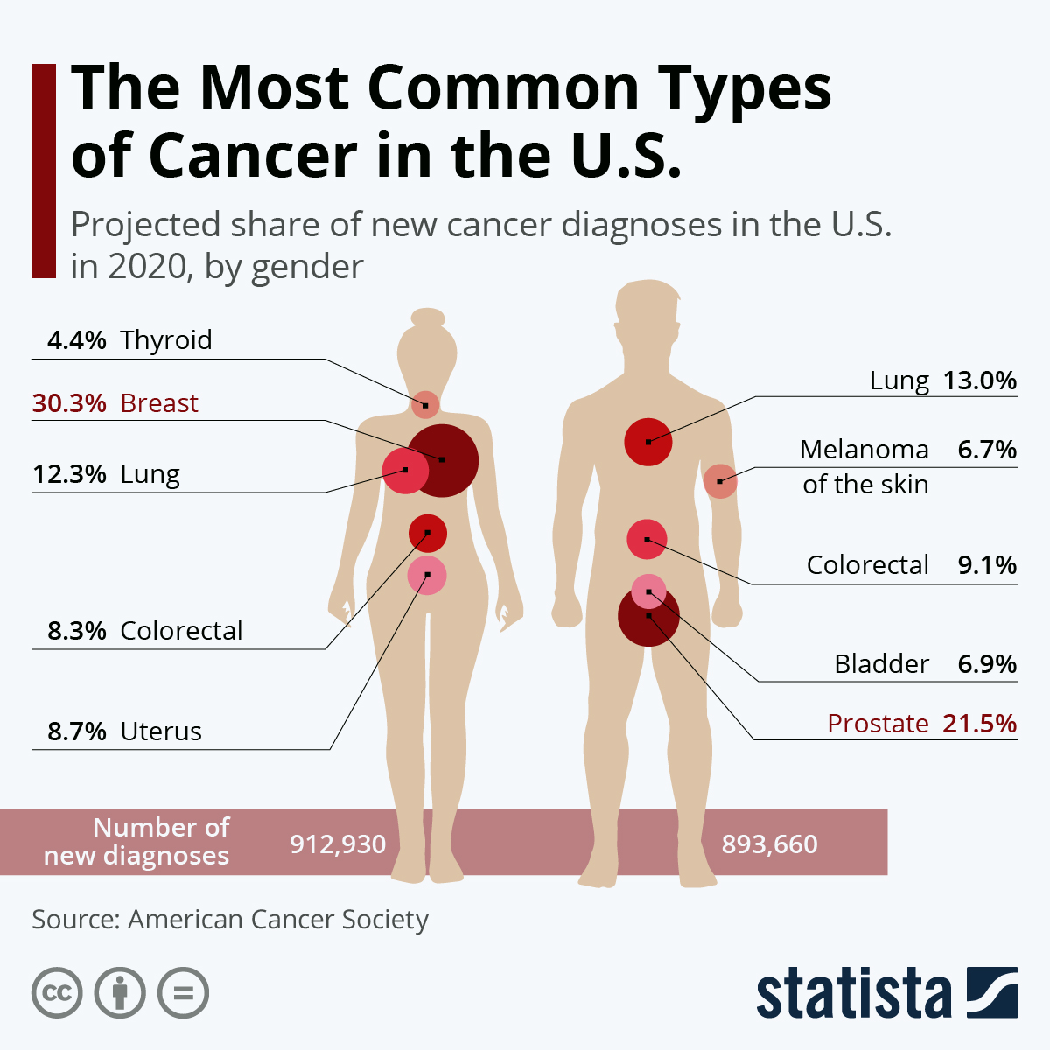
Top 5 Pediatric Cancers
Cancer type | ICD-10-CM (FY2021)
Leukemia
cell leukemia | C91.0
type acute lymphoblastic leukemia | C91.0
tubulo-interstitial (in) leukemia NEC | C95.9 [N16]
Erythroleukemia | C94.0
Leukemia, leukemic | C95.9
acute basophilic | C94.8
acute bilineal | C95.0
acute erythroid | C94.0
acute lymphoblastic | C91.0
acute megakaryoblastic | C94.2
acute megakaryocytic | C94.2
acute mixed lineage | C95.0
acute monoblastic (monoblastic/monocytic) | C93.0
acute monocytic (monoblastic/monocytic) | C93.0
acute myeloblastic (minimal differentiation) (with maturation) | C92.0
acute myeloid, NOS | C92.0
acute myeloid, NOS | C92.0 M6(a)(b) C94.0
acute myeloid, NOS | C92.0 M7 C94.2
acute myeloid, NOS | C92.0
acute myeloid, NOS C92.0 with 11q23-abnormality | C92.6
acute myeloid, NOS C92.0 with dysplasia of remaining hematopoesis and/or myelodysplastic disease in its history | C92.A
acute myeloid, NOS C92.0 with multilineage dysplasia | C92.A
acute myeloid, NOS C92.0 with variation of MLL-gene | C92.6
acute myelomonocytic | C92.5
acute promyelocytic | C92.4
adult T-cell (HTLV-1-associated) (acute variant) (chronic variant) (lymphomatoid variant) (smouldering variant) | C91.5
aggressive NK-cell | C94.8
AML (1/ETO) (M0) (M1) (M2) (without a FAB classification) | C92.0
AML M3 | C92.4
AML M4 (Eo with inv(16) or t(16;16)) | C92.5
AML M5a | C93.0
AML M5b | C93.0
AML M5 | C93.0
AML Me with t(15;17) and variants | C92.4 | Buchholz, K. (February 4, 2021). The Most Common Types of Cancer in the U.S. [Digital image]. Retrieved April 16, 2021, from https://www.statista.com/chart/20692/most-common-types-of-cancer-us/
atypical chronic myeloid, BCR/ABL-negative | C92.2
biphenotypic acute | C95.0 | The most common cancers of children (0-14 yearse old) are: Leukemia (ALL typically occurs between the ages of 2 and 4, and is more common in males than females.) Brain and spinal cord tumors (make up about 27 percent of childhood cancers) Neuroblastoma (arises from immature nerve cells in infants and young children. Primarily found in children younger than 5) Wilms tumor (typically found in very young children - 3 to 4 years old - and is not common in children over 6) Lymphoma (including both Hodgkin and non-Hodgkin) (Hodgkin disease, is rare in children younger than 5 years of age. Non-Hodgkin lymphoma is more likely to occur in younger children than Hodgkin lymphoma, but it is still rare in children younger than 3). Rhabdomyosarcoma Retinoblastoma Bone cancer (including osteosarcoma and Ewing sarcoma)
blast cell | C95.0 | https://www.roswellpark.org/cancertalk/201209/top-5-pediatric-cancers-warning-signs
Burkitt-type, mature B-cell | C91.A | https://www.cancer.org/cancer/cancer-in-children/types-of-childhood-cancers.html#:~:text=common%20in%20adults.-,Leukemia,of%20all%20cancers%20in%20children.
chronic eosinophilic | C94.8 | https://www.cancer.gov/types/childhood-cancers#types-of-cancer-in-children
chronic lymphocytic, of B-cell type | C91.1 | https://www.cancer.gov/types/childhood-cancers/child-adolescent-cancers-fact-sheet#how-common-is-cancer-in-children
chronic monocytic | C93.1 | https://www.cancer.ca/en/cancer-information/diagnosis-and-treatment/cancer-during-pregnancy/?region=on#:~:text=Only%20a%20few%20cancers%20can,be%20given%20to%20the%20baby.
chronic myelogenous (Philadelphia chromosome (Ph1) positive) (t(9;22)) (q34;q11) (with crisis of blast cells) | C92.1
chronic myeloid, BCR/ABL-positive | C92.1
chronic myeloid, BCR/ABL-positive C92.1 atypical, BCR/ABL-negative | C92.2
chronic myelomonocytic | C93.1
chronic neutrophilic | D47.1
CMML (-1) (-2) (with eosinophilia) | C93.1
granulocytic C92.9 - see also Category | C92
hairy cell | C91.4
juvenile myelomonocytic | C93.3
lymphoid | C91.9
lymphoid C91.9 specified NEC | C91.Z
mast cell | C94.3
mature B-cell, Burkitt-type | C91.A
monocytic (subacute) | C93.9
monocytic (subacute) C93.9 specified NEC | C93.Z
myelogenous | C92.9
myeloid | C92.9
myeloid C92.9 acute | C92.0
myeloid C92.9 specified NEC | C92.Z
plasma cell | C90.1
plasmacytic | C90.1
prolymphocytic of B-cell type | C91.3
prolymphocytic of T-cell type | C91.6
specified NEC | C94.8
stem cell, of unclear lineage | C95.0
subacute lymphocytic | C91.9
T-cell large granular lymphocytic | C91.Z
unspecified cell type | C95.9
unspecified cell type C95.9 acute | C95.0
unspecified cell type C95.9 chronic | C95.1
leukemia | C94.3
leukemia, monocytic | C93.1
Preleukemia (syndrome) | D46.9
Pseudoleukemia, infantile | D64.89
in (due to) leukemia NEC | C95.9 [N16]
Schilling-type monocytic leukemia | C93.0
Screening (for) | Z13.9
leukemia | Z12.89
Brain and spinal cord tumors
Astroglioma
unspecified site | C71.9
Glioma (malignant)
astrocytic
astrocytic unspecified site | C71.9
mixed
nose | Q30.8
subependymal | D43.2
Gliomatosis cerebri | C71.0
Oligodendroglioma
anaplastic type
Paraganglioma | D44.7
adrenal | D35.0
adrenal D35.0 malignant | C74.1
aortic body D44.7 malignant | C75.5
carotid body | D44.6
carotid body D44.6 malignant | C75.4
gangliocytic | D13.2
Pseudoglioma | H44.89
Medulloblastoma | C71.6
Esthesioneurocytoma | C30.0
Pineoblastoma | C75.3
Craniopharyngioma | D44.4
Ependymoma (epithelial) (malignant)
anaplastic
anaplastic unspecified site | C71.9
benign
benign unspecified site | D33.2
myxopapillary | D43.2
unspecified site | C71.9
Neurofibromatosis
Neurofibromatosis (multiple) (nonmalignant) | Q85.00
acoustic | Q85.02
specified NEC | Q85.09
type 1 (von Recklinghausen) | Q85.01
Von Recklinghausen
disease (neurofibromatosis) | Q85.01
disease (neurofibromatosis) Q85.01 bones | E21.0
Schwannomatosis | Q85.03
Esthesioneuroblastoma | C30.0
Neuroblastoma
olfactory | C30.0
unspecified site | C74.90
Wilms' tumor | C64
Lymphoma
Adenolymphoma
unspecified site | D11.9
lymphoma (malignant) | C83.7
papillary lymphomatosum unspecified site | D11.9
Hashimoto's (struma lymphomatosa) | E06.3
tubulo-interstitial (in) lymphoma NEC | C85.9 [N16]
personal (of) lymphoma (non-Hodgkin) | Z85.72
Leukemia, leukemic | C95.9
adult T-cell (HTLV-1-associated) (acute variant) (chronic variant) (lymphomatoid variant) (smouldering variant) | C91.5
Lymphoma (of) (malignant) | C85.90
adult T-cell (HTLV-1-associated) (acute variant) (chronic variant) (lymphomatoid variant) (smouldering variant) | C91.5
anaplastic large cell ALK-negative | C84.7
anaplastic large cell ALK-positive | C84.6
angioimmunoblastic T-cell | C86.5
B-cell | C85.1
B-precursor | C83.5
BALT | C88.4
blastic NK-cell | C86.4
Burkitt (atypical) | C83.7
centrocytic | C83.1
cutaneous follicle center | C82.6
cutaneous T-cell | C84.A
diffuse follicle center | C82.5
diffuse large cell | C83.3
enteropathy-type (associated) (intestinal) T-cell | C86.2
extranodal marginal zone B-cell lymphoma of mucosa-associated lymphoid tissue [MALT-lymphoma] | C88.4
extranodal NK/T-cell, nasal type | C86.0
follicular | C82.9
follicular C82.9 grade IIIa | C82.3
follicular C82.9 grade IIIb | C82.4
follicular C82.9 grade III | C82.2
follicular C82.9 grade II | C82.1
follicular C82.9 grade I | C82.0
follicular C82.9 specified NEC | C82.8
hepatosplenic T-cell (alpha-beta) (gamma-delta) | C86.1
histiocytic | C85.9
histiocytic C85.9 true | C96.A
Hodgkin | C81.9
Hodgkin C81.9 lymphocyte depleted (classical) | C81.3
Hodgkin C81.9 lymphocyte-rich (classical) | C81.4
Hodgkin C81.9 mixed cellularity (classical) | C81.2
Hodgkin C81.9 nodular sclerosis (classical) | C81.1
Hodgkin C81.9 nodular lymphocyte predominant | C81.0
Hodgkin C81.9 specified NEC (classical) | C81.7
intravascular large B-cell | C83.8
Lennert's | C84.4
lymphoblastic (diffuse) | C83.5
lymphoplasmacytic | C83.0
lymphoplasmacytic C83.0 with IgM-production | C88.0
MALT | C88.4
mantle cell | C83.1
mature T/NK-cell | C84.9
mature T/NK-cell C84.9 specified NEC | C84.Z
mediastinal (thymic) large B-cell | C85.2
Mediterranean | C88.3
mucosa-associated lymphoid tissue [MALT-lymphoma] | C88.4
NK/T cell | C84.9
nodal marginal zone | C83.0
non-follicular (diffuse) | C83.9
non-follicular (diffuse) C83.9 specified NEC | C83.8
non-leukemic variant of B-CLL | C83.0
peripheral T-cell, not classified | C84.4
primary cutaneous anaplastic large cell | C86.6
primary effusion B-cell | C83.8
SALT | C88.4
small cell B-cell | C83.0
subcutaneous panniculitis-like T-cell | C86.3
T-precursor | C83.5
true histiocytic | C96.A
lymphomatoid | C86.6
malignant lymphomatous | C83.1
in (due to) lymphoma NEC | C85.90 [N16]
Screening (for) | Z13.9
lymphoma | Z12.89
lymphomatosa | E06.3
Thyroiditis | E06.9

Top cancers in mom
Female breast cancer
breast cancer | ^C50
Nipple and aerola | C50.01
Central portion | C50.11
Upper-inner quadrant | C50.21
Lower-inner quadrant | C50.31
Upper-outer quadrant | C50.41
Lower-outer quadrant | C50.51
Axillary tail | C50.61
Other specified sites of breast | C50.81
Breast (female) unspecified | C50.91
Lung cancer
MALIGNANT NEOPLASM OF BRONCHUS AND LUNG | ^C34
MALIGNANT NEOPLASM OF TRACHEA | ^C33
Malignant neoplasm of main bronchus | C34.0
Malignant neoplasm of upper lobe, bronchus or lung | C34.1
Malignant neoplasm of middle lobe, bronchus or lung | C34.2
Malignant neoplasm of lower lobe, bronchus or lung | C34.3
Malignant neoplasm of overlapping sites of bronchus and lung | C34.8
Malignant neoplasm of unspecified part of bronchus or lung | C34.9
Malignant carcinoid tumor of the bronchus and lung | C7A.090
lung cancer | C34.90
Goiter (plunging) (substernal) E04.9 cancerous | C73

Cancers can spread from the mother to the fetus
Melanoma (malignant) | C43.9
MALIGNANT NEOPLASM OF BRONCHUS AND LUNG | ^C34
Lymphoma (of) (malignant) | C85.90
non-Hodgkin C85.9 specified NEC | C85.8
Lukemia | provided befor

